Index
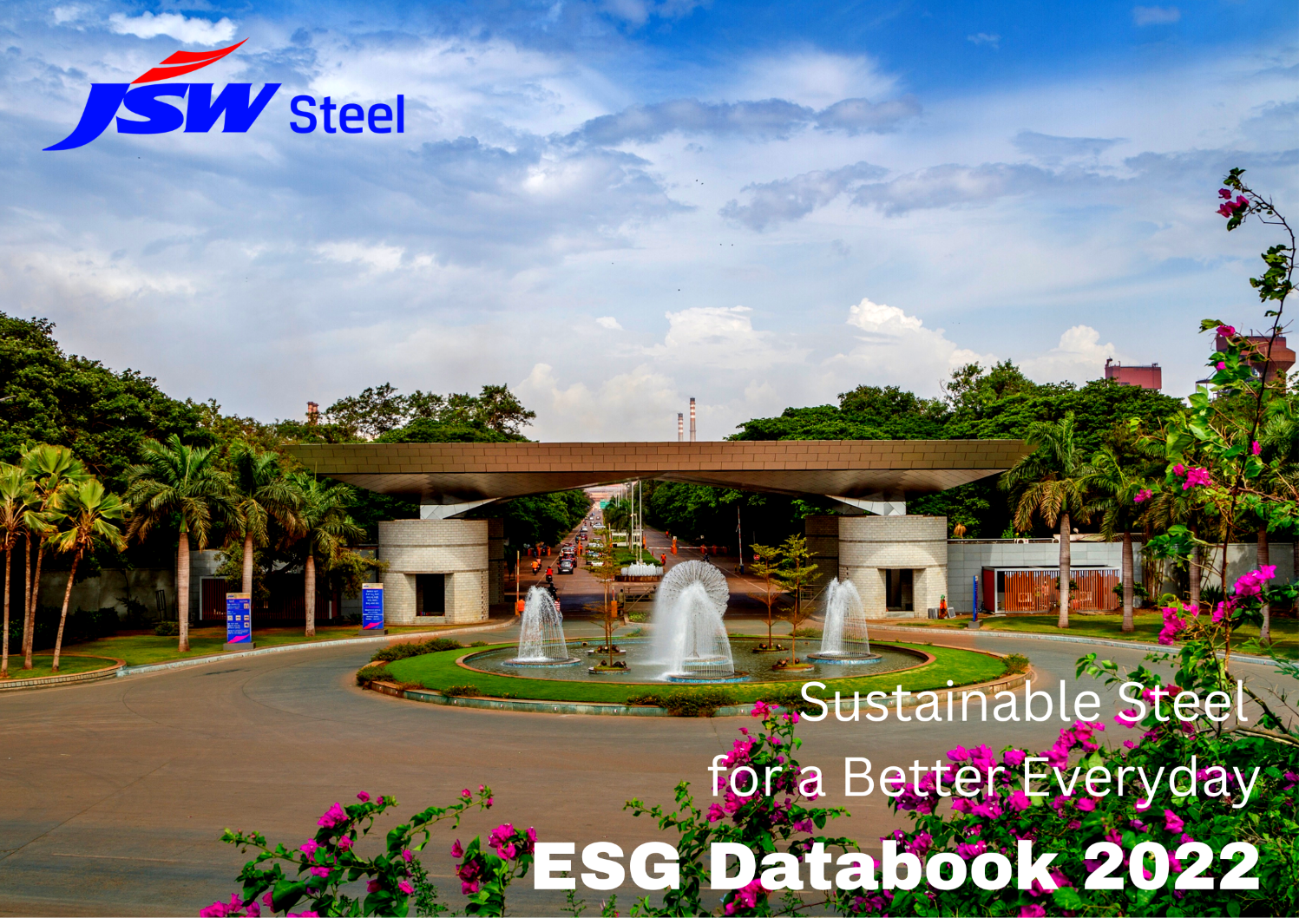

ESG Databook 2022

The following list provides a reference to the tabs used in the JSW Steel ESG Databook 2022.
Index
References
Targets
Focus Areas
GRI Mapping
SDG Mapping
TCFD
Stakeholder Engagement
Materiality
International Certifications
Value Creation Model
Environment
Environment Dashboard
Social
Social Dashboard
Governance

Targets
TARGETS | ESG Databook 2022
 |  | Index
 |  | Website
CO2 Emission Intensity
FY 30 | 1.95
FY 05 | 3.39
Specific Energy Consumption
 | Energy
FY 30 | 5.65
FY 05 | 6.94
Specific Freshwater Consumption
 | Water
FY 30 | 2.21
FY 05 | 3.60
Specific Dust (PM) Emission Intensity
 | PM
FY 30 | 0.26
FY 05 | 0.93
Waste Recycled
 | Waste
FY 30 | 100%
FY 05 | 62%

Biodiversity
Strive to achieve no net
loss of biodiversity
at our operating sites

Focus Areas
Climate Change
Environment
Social
Governance
Energy
Resources
Water Resources
Waste
Waste Water
Air Emissions
Biodiversity
Sustainable Mining
Local Considerations
Indigenous People
Cultural Heritage
Employee Wellbeing
Supply Chain Sustainability
Social Sustainability
Business Ethics
Human Rights
FOCUS AREAS
 |  | ESG Databook 2022
 |  | Index
Integrated Report FY 22 |  | Website

SL No | Focus Areas | Page Number
1 | Climate Change | 116
2 | Energy | 118
3 | Resources | 122
4 | Water Resources | 124
5 | Waste | 126
6 | Wastewater | 130
7 | Air Emissions | 132
8 | Biodiversity | 134
9 | Local Considerations | 139
10 | Human Rights | 255
11 | Indigenous People | -
12 | Cultural Heritage | 155
13 | Business Ethics | 162
14 | Employee Wellbeing | 140
15 | Supply Chain Sustainability | 160
16 | Sustainable Mining | 136
17 | Social Sustainability | 150

TCFD
TASKFORCE ON CLIMATE-RELATED FINANCIAL DISCLOSURES (TCFD)
 |  |  |  | ESG Databook 2022
 |  |  |  | Index
 |  |  |  | Website

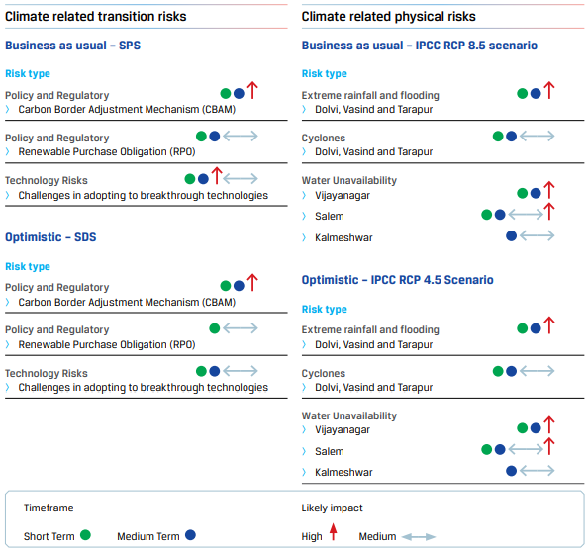
 | As one of the major steel producing companies in India, we are committed towards addressing climate change concerns and are taking measurable actions to ensure a low-carbon future. We have developed a roadmap for this purpose. Furthermore, we have adopted the Taskforce on Climate-related Financial Disclosures (TCFD) framework and became a signatory to the Taskforce in March 2021.

 | Physical and Transition Climate Change Scenarios

 | Business-as-usual Scenario |  | Optimistic Scenario

 | IPCC Scenarios (Physical Risks) | WEO-2020 Scenarios (Transition Risks) | IPCC Scenarios (Physical Risks) | WEO-2020 Scenarios (Transition Risks)

 | RCP 8.5 Scenario | Stated Policies Scenario | RCP 4.5 Scenario | Sustainable Development Scenario

 | Extremely high emissions scenario with global mean temperature expected to rise by 3.7°C (2.6 - 4.9°C) by end of the century. The scenario assumes high dependence on fossil fuels and no policy-driven mitigation. | Incorporates existing and announced climate policies (till mid-2020) including Nationally Determined Contributions from governments across the world. The scenario provides a baseline against which additional actions are required to meet SDS climate goals. | Intermediate emissions scenario with global mean temperature expected to rise by 1.8°C (1.1 - 2.6°C) by end of the century. The scenario considers increased use of renewable energy and strong policy driven mitigation. | Provides an energy sector pathway which is consistent with meeting global net-zero CO2 emissions from the energy system as a whole by around 2070, universal access to energy and reduced air pollution

Materiality
MATERIALITY
 | ESG Databook 2022
 | Index
 | Website

As part of our strategic action plan, we conducted a materiality assessment during FY 22 and identified issues that have a significant potential to influence our business. We have devised clear pathways to approach these issues in order to deliver sustained value. Our materiality approach takes into account the double materiality principle, which considers how certain topics are important for the environmental and social aspects, which also have financial consequences with time.

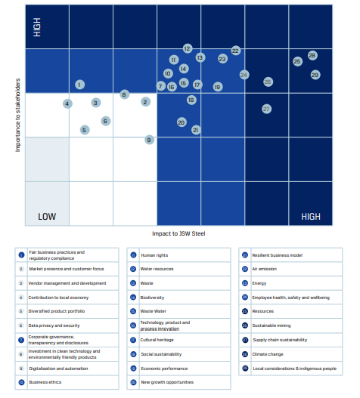
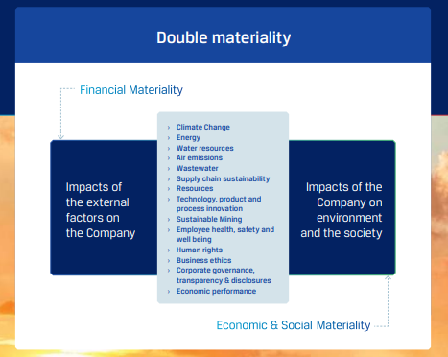

Value Creation Model
VALUE CREATION MODEL
 | ESG Databook 2022
 | Index
 | Website

Delivering Holistic Growth Our value creation model is a reflection of our integrated approach. It takes into account our available financial and non-financial resources, stakeholder expectations and concerns, the external environment as well as our purpose and values to deliver superior outcomes and capital returns.
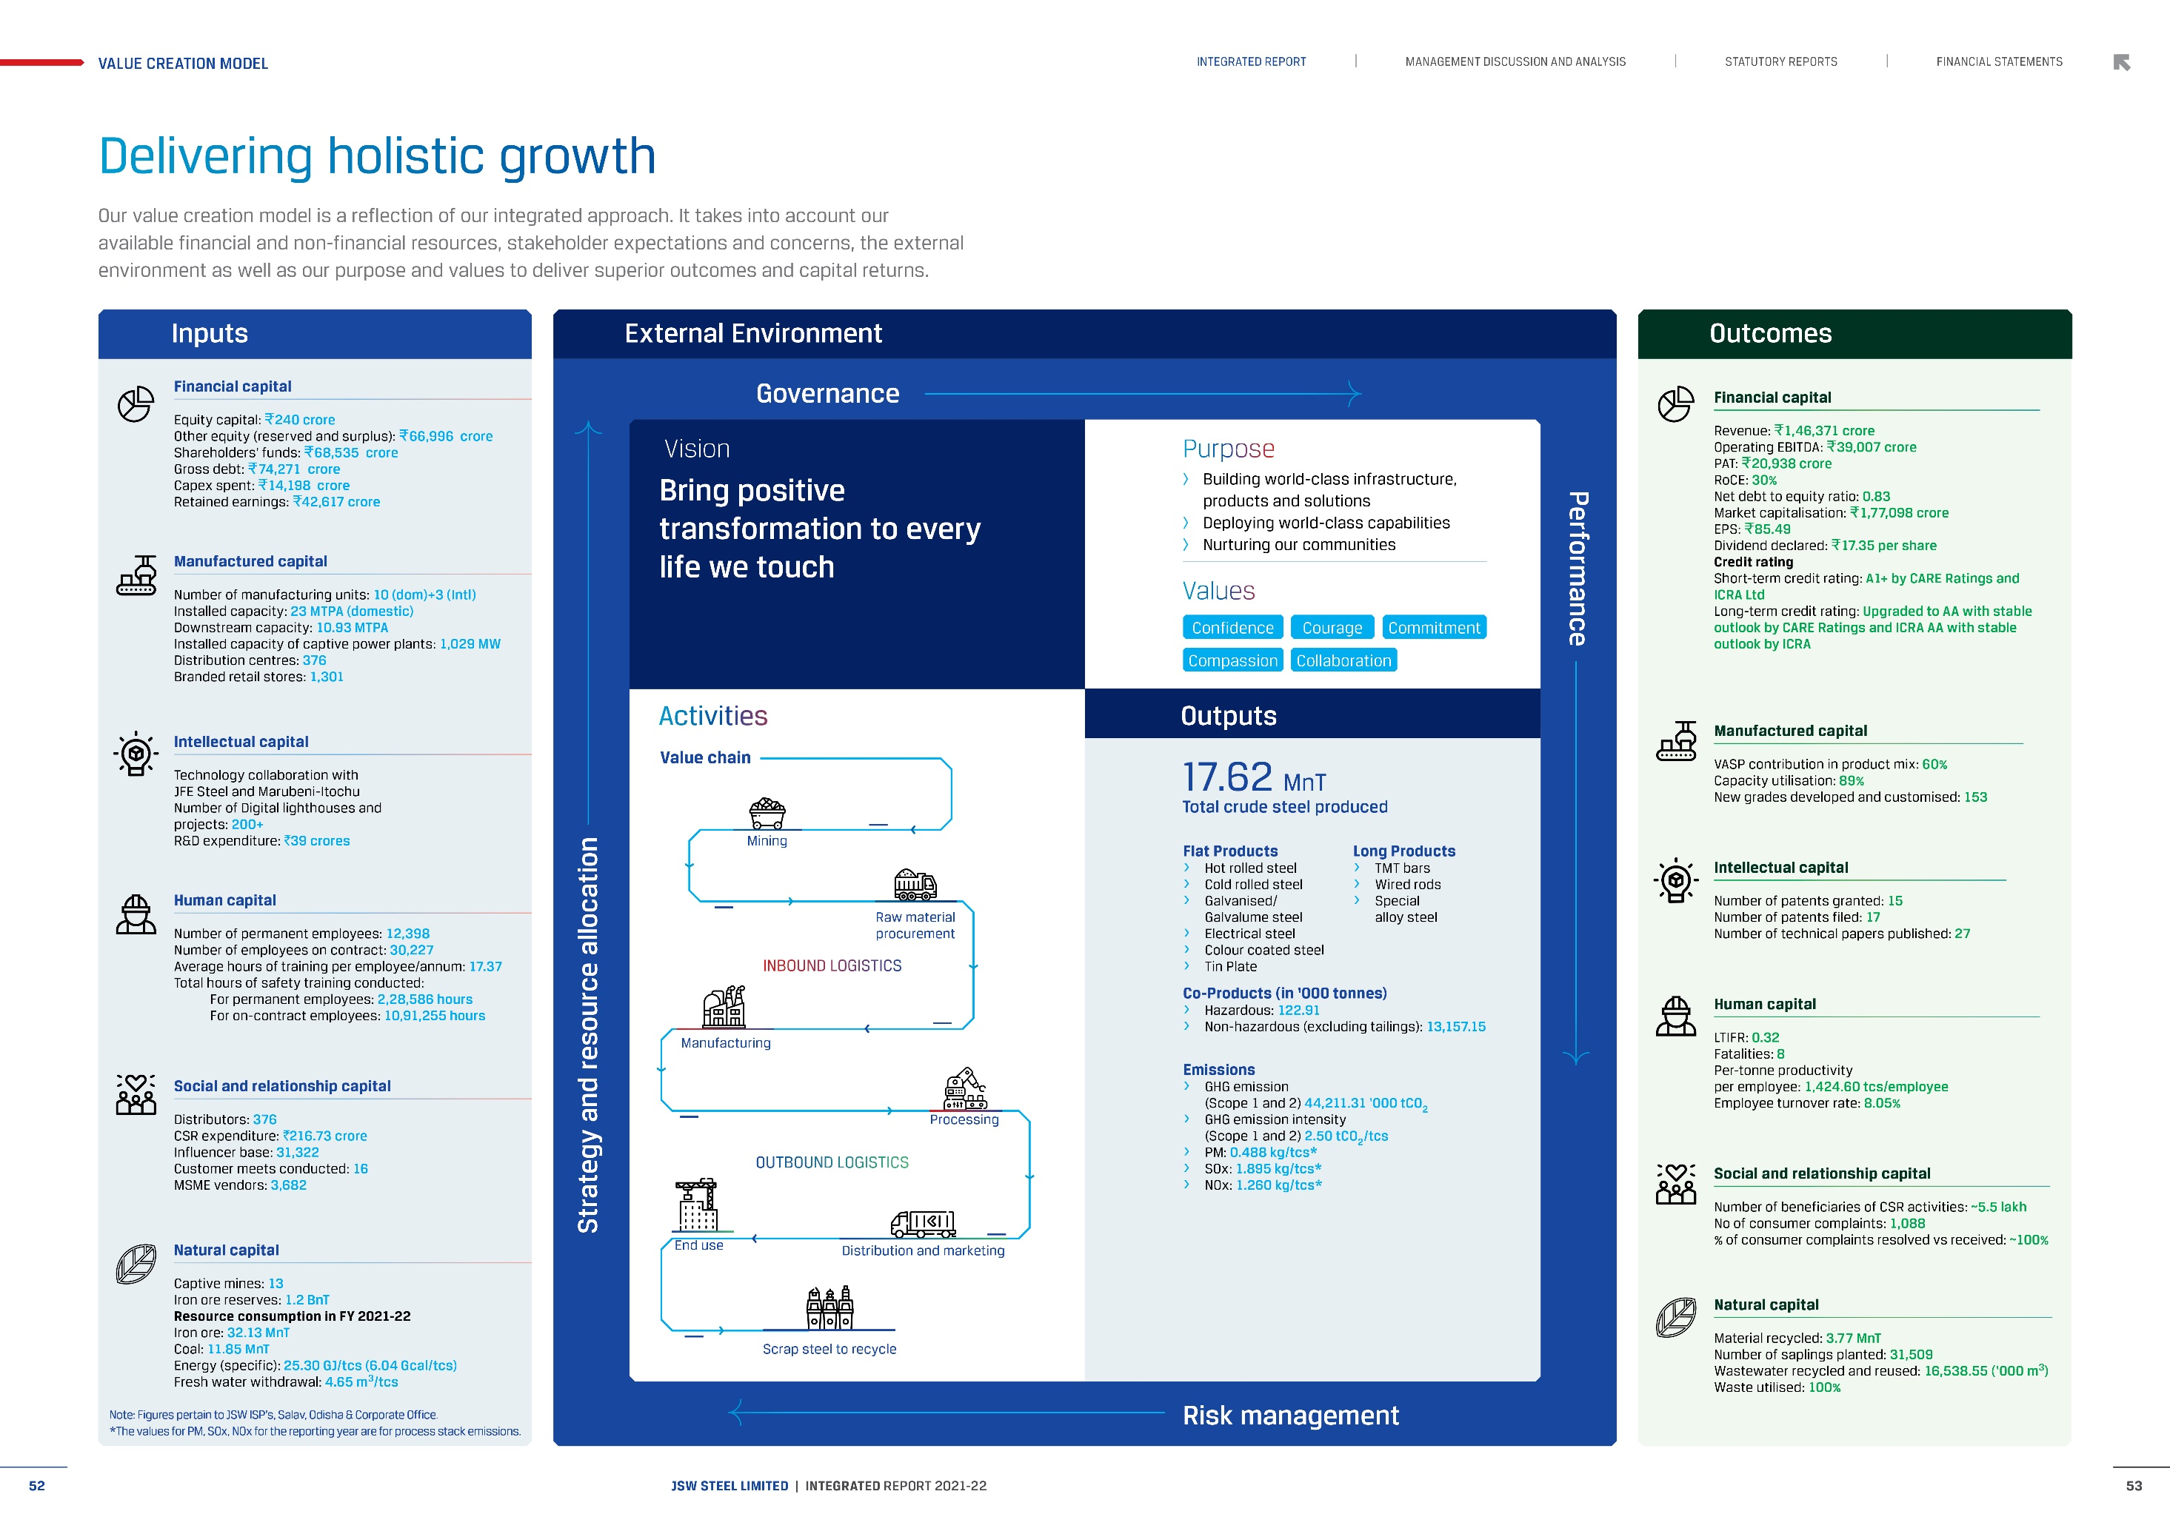

Environment Dashboard
ENVIRONMENT DASHBOARD | ESG Databook 2022
 |  | Index
 |  | Website
CO2 Emission Intensity
 | Climate Change
FY 30 | 1.95
FY 22 | 2.50
FY 21 | 2.49
FY 20 | 2.52
FY 19 | 2.75
FY 18 | 2.59
FY 05 | 3.39
Specific Energy Consumption
 | Energy
FY 30 | 5.65
FY 22 | 6.04
FY 21 | 6.38
FY 20 | 6.56
FY 19 | 6.24
FY 18 | 6.59
FY 05 | 6.94
Waste Recycled
 | Waste
FY 30 | 100%
FY 22 | 100%
FY 21 | 93%
FY 05 | 62%

Specific Freshwater Consumption
 | Water
FY 30 | 2.21
FY 22 | 2.45
FY 21 | 2.41
FY 20 | 2.60
FY 19 | 3.79
FY 18 | 4.13
FY 05 | 3.60
Specific Dust Emission Intensity
 | PM
FY 30 | 0.26
FY 22 | 0.49
FY 21 | 0.48
FY 20 | 0.98
FY 19 | 0.94
FY 18 | 0.98
FY 05 | 0.93
Air Emissions
 | Specific NOx Emission Intensity | Specific SOx Emission Intensity
FY 30 | 0.91 | 0.82
FY 22 | 1.26 | 1.89
FY 21 | 1.52 | 2.05
FY 20 | 1.36 | 1.88
FY 19 | 1.29 | 1.74
FY 18 | 1.24 | 1.60

Social Dashboard
SOCIAL DASHBOARD | ESG Databook 2022
 |  | Index
 |  | Website
Total Employees
 | Total_Employees
FY 22 | 12,398
FY 21 | 12,481
FY 20 | 12,954
FY 19 | 11,266
FY 18 | 11,619
Management
 | Management
FY 22 | 5,466
FY 21 | 5,588
FY 20 | 5,363
FY 19 | 4,398
FY 18 | 5,062
Non - Management
 | Non Management
FY 22 | 6,932
FY 21 | 6,893
FY 20 | 7,591
FY 19 | 6,868
FY 18 | 6,557

Permanent Women Employees
 | Women
FY 22 | 666
FY 21 | 639
FY 20 | 659
FY 19 | 403
FY 18 | 480
Differently Abled Employees
 | Differently_Abled
FY 22 | 28
FY 21 | 32
FY 20 | 40
FY 19 | 32
FY 18 | 19
Lost Time Injury Frequency Rate (LTIFR)
 | LTIFR
FY 22 | 0.32
FY 21 | 0.26
FY 20 | 0.32
FY 19 | 0.36
FY 18 | 0.43

